content
Bearing stability criteria (Linked to SOP-580)

INSTRUCTIONS
This worksheet define a criteria for bearing type selection based on stability.
Sheet "Glienicke criteria"
Calculation sheet and diagram
Ref.: Experimental Investigation of the Stiffness and Damping Coefficients of Turbine Bearings and their Application to Instability Prediction - J. Glienicke

0 | 2025-10-23 | First issue | Advance Mechanical Design Manager - F. Cademartori | Client Qualification/ EHSS - A. Banfi/ T. Morelli Stefani | R&D & Prod. Eng. Manager - M. Borghetti
Rev. | Date | Description | Prepared | Checked | Approved
Mod.556-0

Glienicke criteria
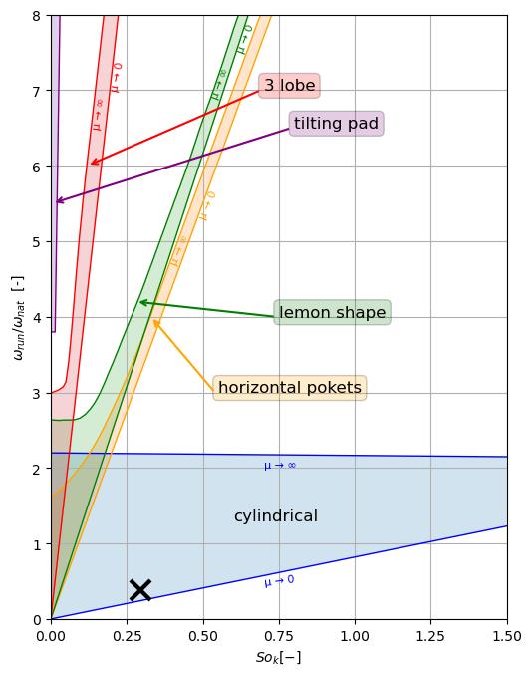
BEARING SELECTION CRITERIA |  |  | Legend
W [N] | 3000 | (load) | input data
B [mm] | 50 | (bearing lenght) | descriptor
D [mm] | 100 | (bearing diameter) | calculated
Dshaft [mm] | 100 | (shaft diameter) | annotation
c [mm] | 0.05 | (radial clearance)
η [cP] | 5 | (absolute viscosity) | Warnings legend
n [rpm] | 1500 | (maximum rotating speed) | 0 | not allowable
fnat [Hz] | 65 | (rotor first natural frenquecy(1)) | 0.5 | not recommended
B/D [-] | 0.500 | (lenght/diameter ratio) | 1 | allowable
So [-] | 0.764 | (Sommerfeld number)
Sok [-] | 0.294 | (relative Sommerfeld number)
wrun/wnat [-] | 0.385 | (speed ratio)
(1) of shaft supported by infinitely rigid bearing

cylindrical | TRANSITION | 1
horizontal pokets | STABLE | 0
lemon shape | STABLE | 0
3 lobe | STABLE | 0
tilting pad | STABLE | 0

Instructions
1) Compile Bearing Data. Collect all relevant bearing parameters, including width (W), bore diameter (D), etc...
B/D different from 0.5 could not give correct results.
2) Calculate the First Natural Frequency of the Rotor. Determine the first natural frequency of the shaft, assuming it is supported by perfectly rigid (infinitely stiff) bearings.
3) Verify Bearing Stability. Confirm that the selected bearing type operates under stable conditions (consider exclusively cylindrical, 3 lobe and tilting pad).
NOTE: μ is flexibility parameter:
• μ → 0 indicates rigid shaft
• μ → ∞ indicates flexible shaft

